填表说明 Form Guideline
第一步 | Step 1
于"Menu"界面，根据实习生类型“点击”相应表格。
Under "Menu", please select the form according to type of intern.

第二步 | Step 2
2.1 办公室实习生 | Office Intern |  | 2.2 生产部实习生 | Production Intern
请在C2格子的下拉框内，选择您的出勤月份 |  | 1. 请在C2格子的下拉框内，选择您的出勤月份
Please select your attendance month from cell-C2 drop down list |  | 1. Please select your attendance month from cell-C2 drop down list

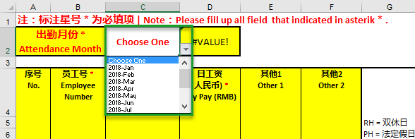
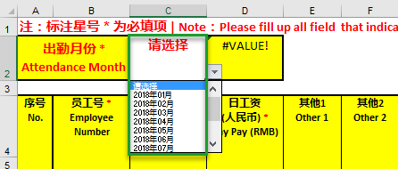

第三步 | Step 3
i. 请确保"数字1"部分显示出勤的整月日期。 |  | i. 请确保"数字1"部分显示出勤的整月日期。
i. Please ensure date of attendance month is shown under area marked as Number 1. |  | i. Please ensure date of attendance month is shown under area marked as Number 1.
ii. 请填写"数字2"部分的三个必填项。 |  | ii. 请填写"数字2"部分的三个必填项。
ii. Please fill in data for 3 mandatory field under area marked as Number 2. |  | ii. Please fill in data for 3 mandatory field under area marked as Number 2.
iii. 请根据您的实际出勤填写"数字3"部分的出勤数据。 |  | iii. 请根据您的实际出勤填写"数字3"和"数字4"部分的出勤数据。
如果您只是上了半天班，请在AM（上午）或PM（下午）的格子内填写”1“。具体例子，请参考下图X列或AB列 |  | iii. Please fill in data based on your actual attendance under area marked as Number 3 & Number 4.
如果您上了全日班，请在AM（上午）和PM（下午）的格子内填写”1“。具体例子，请参考下图W列 |  | iv. 不同公司对应的出勤代码不一样，请确保您选择了正确的模板
iii. Please fill in data based on your actual attendance under area marked as Number 3. |  | iv. Different code is used by different company, please ensure you are selecting the correct template
Please input ”1“ under cell of AM (Morning) OR PM (Afternoon) if you work for half day only. Please refer the sample via column X or column AB from below picture.
Please input ”1“ under cell of AM (Morning) AND PM (Afternoon) if you work for full day. Please refer the sample via column W from below picture.
iv. 请根据您的实际出勤填写"数字4"部分的额外加班小时数。
iv. Please fill in additional overtime hours based on your actual attendance under area marked as Number 4.

第四步 | Step 4
在确认数据无误以后，请透过邮件将相关表格发给您的上司审批。请提醒您的上司在每月的十号之前透过邮件将表格转给相关的人力资源部同事。人力资源部同事将确认日工资及更新住房津贴（如适用），之后他们将把表格提交至人力资源服务平台进行工资计算。
Please ensure all data is input correctly and send the form for your manager's approval via email. Please remind your manager to the form via email to HR colleague before 10th of the month. HR colleague will review the day pay and update housing allowance (if applicable), after that they will submit the form to HR service desk for payroll processing

注意 | Important Notes：
1）请自行跟进上司的审批。
2）请确保出勤月份和必填项（员工号，员工姓名，日工资）的正确性。
3）请勿在同一张表格内填写不同月份的出勤数据。
4）请勿错误使用表格，办公室实习生应当使用办公室模板，而生产部实习生应当使用对应公司的生产部模板。
5）请勿同一张表格内使用2个以上的不同模板。如果有此需求，请填写另一张全新的表格。

1）Please follow up manager's approval by yourselve.
2）Please ensure attendance month and mandatory field（Employee Number，Employee Name，Day Pay）is input correctly
3）Do not update attendance data of different month under 1 single form。
4）Do not use incorrect form, office intern should only use office template.
5）Do not use 2 different template in 1 form. If it's necessary, please update in another brand new form.

第五步 | Step 5
请开始填表 ------------------------------------------------------------> | 点我
You may start to fill in the form ----------------------------------> | Click Me

